Hasbro Closeouts
Hasbro Closeouts

Pick & Choose

Quantity: 567,683 units

Location: Ex-Warehouse Los Angeles, CA USA

Subject to change and prior sale.

Image | Item# | Description | Pack | IN | Origin | UPC | UCC | Case Size | Wt | Cube | Tie | Hi | Item Size | Item Wt | # Units | Price | Extension
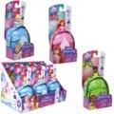 | F03785L40 | Hasbro Disney Princess SD FASHION SURPRISE AST | 9 |  | Vietnam | 5010993786374; (3) Cinderella 5010993786404; (3) Tiana 5010993786381; (3) Ariel | 50501099378636 | 12" x 7" x 8" | 3 | 0.38 | 24 | 12 | 3.5" x 1.75" x 7.5" | 2.9 | 6 | $4.35 | $26.07
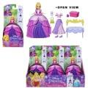 | F34695X00 | Disney Princess Secret Styles Fashion Surprise Party Rapunzel | 9 |  | Vietnam | 5010993934379 | 50501099393431 | 12" x 7" x 8" | 3 | 0.38 | 22 | 12 | 3.5" x 1.75" x 7.5" | 3.6 | 3,943 | $4.35 | $17,132.34
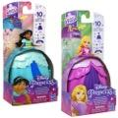 | F47465L00 | Disney Princess Secret Styles Fashion Surprise | 48 | 2 | Vietnam | 010993934362; (1) Jazmin 010993934379; (1) Rapunzel | 50010993934362 | 16" x 14" x 16" | 15 | 2.07 | 9 | 6 | 3.5" x 1.7" x 7.5" | 3.2 | 540 | $4.35 | $2,346.30
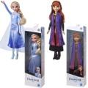 | E90215L61 | Frozen 2 Fashion Doll Basic Doll Asst. | 4 |  | China | 010993722440; (2) Elsa 010993722457; (2) Anna | 50010993722440 | 8" x 4" x 13" | 2 | 0.24 | 60 | 7 | 3.5" x 2" x 12.5" | 5.5 | 21,274 | $4.95 | $105,306.30
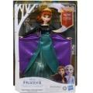 | E8881XE00 | Disney Frozen Musical Adventure Anna Singing Doll | 4 |  | China | 5010993684922 | 50501099368491 | 10" x 9" x 13" | 3 | 0.6 | 25 | 7 | 9" x 2" x 12.7" | 9.7 | 2,962 | $9.35 | $27,694.70
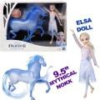 | E5516AS00 | Hasbro Frozen 2 BASIC ELSA AND THE NOKK | 3 |  | China | 630509859276 | 50630509859271 | 17" x 10" x 13" | 6 | 1.28 | 12 | 7 | 16" x 3" x 12.7" | 28 | 35,171 | $9.35 | $328,848.85
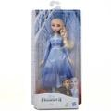 | E6709AX00 | Disney Frozen 2 Elsa Fashion Doll | 4 |  | China | 630509843497 | 50630509843492 | 9" x 7" x 13" | 3 | 0.47 | 30 | 7 | 6.5" x 2" x 12.7" | 7.1 | 84,133 | $5.47 | $459,955.11
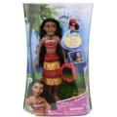 | E5800 | Disney Princess Musical Moana | 4 |  | China | 630509827053 | 50630509827058 | 9" x 9" x 14" | 3 | 0.65 | 25 |  | 8" x 2" x 12.7" | 9.4 | 9,038 | $8.25 | $74,563.50
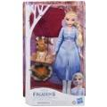 | F1582 | Disney Frozen 2 Elsa's Campfire Friend Doll with Dress | 4 |  | China | 010993795932; | 50010993795932 | 11" x 9" x 13" | 3 | 0.74 | 20 | 6 | 8" x 2.5" x 12.7" | 10 | 402 | $8.25 | $3,316.50
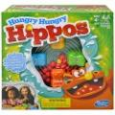 | 989364620 | Hasbro, Hungry Hungry Hippos | 2 |  | China | 630509648412 | 50630509648417 | 11" x 10" x 11" | 4 | 0.7 | 16 | 8 | 10.5" x 4.75" x 10.5" | 26 | 26,499 | $7.65 | $202,584.86
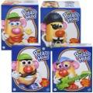 | E8178 | Hasbro Mr Potato Head Parts & Pieces | 6 |  | China | 630509874538; Star rock (1) 630509874453; Pirat (1) 630509874477; Mrs potato head (2 630509874460; Ms potato (2) | 50630509874533 | 13" x 11" x 8" | 4 | 0.66 | 12 | 12 | 6" x 3.5" x 7.5" | 10.5 | 962 | $6.55 | $6,296.29
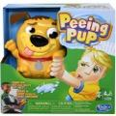 | E3043CU00 | Hasbro Peeing Pup | 3 |  | China | 630509742189 | 50630509742184 | 11" x 10" x 11" | 4 | 0.7 | 16 | 8 | 10.5" x 3.25" x 10.5" | 17 | 7,813 | $6.05 | $47,268.65
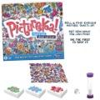 | F25640000 | Pictureka! Game, Picture Game, Board Game | 6 |  | China | 195166139654 | 50195166139659 | 11" x 11" x 11" | 9 | 0.77 | 16 | 8 | 10.5" x 1.7" x 10.5" | 24 | 874 | $5.45 | $4,758.93
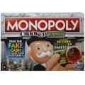 | F26740000 | Monopoly Crooked Cash Board Game | 6 |  | China | 195166129914 | 50195166129919 | 16" x 11" x 11" | 11 | 1.12 | 12 | 8 | 16" x 1.7" x 10.7" | 30 | 1,916 | $6.55 | $12,540.22
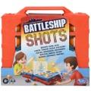 | E8229AS00 | Hasbro Gaming Battleship Shots | 4 |  | China | 630509869381 | 50630509869386 | 13" x 11" x 12" | 9 | 0.99 | 16 | 8 | 12.5" x 2.5" x 11.5" | 35.8 | 5,862 | $7.65 | $44,814.99
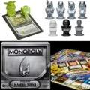 | F42570000 | Hasbro MONOPOLY MANDALORIAN | 3 |  | China | 195166152233 | 50195166152238 | 13" x 10" x 13" | 9 | 0.98 | 16 | 7 | 11.5" x 3.25" x 11.5" | 44 | 10,511 | $8.25 | $86,715.75
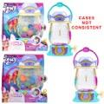 | F33295L22 | Hasbro My little Pony SPARKLE REVEAL LANTERN | 4 |  | China | 5010994162122; (13 number upc) | 50501099416215 | 11" x 10" x 11" | 5 | 0.7 | 16 | 8 | 10" x 2.75" x 10.2" | 18 | 8,753 | $7.15 | $62,583.95
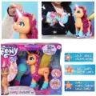 | F17865E00 | Hasbro My Little Pony Sing N Skate Sunny | 2 |  | China | 5010993849871; 13 number upc | 50501099384989 | 15" x 10" x 12" | 5 | 1.04 | 15 | 8 | 14" x 5" x 12" | 36 | 1,460 | $15.35 | $22,403.70
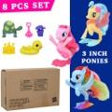 | C3646AF00 | Hasbro My Little Pony The Movie "Seapony 8pcs Collection Set. 1 Princess Skystar Pony,1 Rainbow Dash Pony, & 1 Pinkei Pie Pony, 4 mini Pony accesories | 39 |  | China | 630509604562 | 50630509604567 | 30" x 18" x 10" | 25 | 3.29 | 6 | 5 | 14" x 2" x 9" | 6.6 | 2,372 | $8.75 | $20,743.14
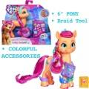 | F17945L00 | Hasbro My little Pony RAINBOW REVEAL SUNNY | 4 |  | Vietnam | 5010993837045; 13 dijitos upc. | 50501099383708 | 11" x 10" x 9" | 4 | 0.57 | 16 | 10 | 10" x 2.5" x 8" | 12.8 | 22,441 | $5.23 | $117,254.23
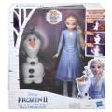 | E5508 | Hasbro Disney Frozen II Talk And Glow Olaf And Elsa Dolls | 3 |  | China | 630509894383 | 50630509894388 | 11" x 10" x 13" | 4 | 0.83 | 16 | 7 | 11" x 3.25" x 12.5" | 20 | 40 | $21.45 | $858.00
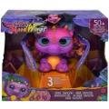 | F06335L00 | Hasbro Fur Real Baby Dragon | 2 |  | USA | 5010993757824 | 50501099375789 | 14" x 11" x 13" | 6 | 1.16 | 12 | 7 | 14" x 5.25" x 12.7" | 39.1 | 3,154 | $24.15 | $76,153.33
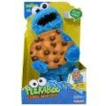 | E8417US20 | Sesame Street Peekaboo Cookie Monster Talking 13-Inch Plush Toy for Toddlers | 2 |  | China | 630509915231 | 50630509915236 | 10" x 10" x 16" | 3 | 0.93 | 20 | 6 | 9" x 5" x 15" | 22 | 3,049 | $15.13 | $46,116.13
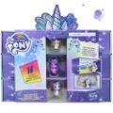 | E9711 | Hasbro My Little Pony Unicorn Party Present | 6 |  | China | 5010993725205 | 50501099372528 | 12" x 10" x 9" | 7 | 0.69 | 16 | 10 | 12" x 1.5" x 8" | 17.7 | 1,478 | $9.85 | $14,550.91
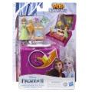 | E9892 | Disney Frozen 2 Pop Adventures Family Game Night Pop-Up Playset with Handle | 4 |  | China | 630509947447 | 50630509947442 | 13" x 5" x 7" | 2 | 0.26 | 33 | 13 | 7" x 2" x 9" | 7.8 | 6,306 | $4.95 | $31,214.70
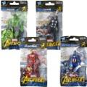 | E43539510 | Hasbro Marvel Avengers 3.75 Inch Figure, Classic Comics-Inspired Asst. | 144 | 24 | China | 630509731787; Thor (6) 630509731770; Hulk (6) 630509731794; Iron man (6) 630509731763; Captian america (6) | 50630509731782 | 15" x 8" x 12" | 8 | 0.83 | 15 | 8 | 3.5" x 1.5" x 6.75" | 5 | 11,052 | $1.53 | $16,898.51
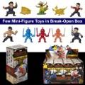 | F0557 | Hasbro Marvel Superhero Shang-Chi and The Legend of The Ten Rings Brick Breaker | 12 |  | China | 630509988818 | 50630509988810 | 13" x 7" x 7" | 3 | 0.37 | 20 | 13 | 3" x 2.25" x 6.25" | 2.8 | 1,365 | $1.93 | $2,627.63
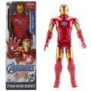 | E7873EL71 | Hasbro Avengers Marvel Titan Hero Series Blast Gear Iron Man Action Figure | 16 | 4 | China | 630509910168 | 50630509910163 | 19" x 9" x 14" | 10 | 1.38 | 10 | 6 | 4" x 2" x 12" | 8.4 | 66,068 | $5.45 | $359,740.26
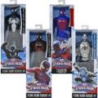 | A87260001 | Hasbro Marvel Ultimate SpiderMan Titan Hero Series 12" Action Figure Asst. | 8 |  | China | 653569991397; (2) Armored spiderman 653569969679; Spiderman (2) Ultimate 010994810115; Spider-man (2)2099 653569991403; Black suit (2) spiderman | 50653569991392 | 9" x 9" x 13" | 6 | 0.61 | 30 | 7 | 4" x 2" x 12" | 9.9 | 10,667 | $5.45 | $58,081.82
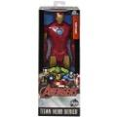 | B1667ES00 | Hasbro Titan Hero Series 12" Iron Man Figure | 8 |  | China | 630509280254 | 50630509280259 | 9" x 9" x 12" | 4 | 0.56 | 25 |  | 4" x 2" x 12" | 7.6 | 6,167 | $5.45 | $33,579.32
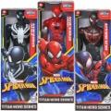 | E73295L02 | Hasbro Spiderman Titan Heroes Asst. AC/N | 4 |  | China | 010993648405; (1) Black & white 010993648399; (1) red black 010993648382; (2) Red | 50010993648405 | 9" x 5" x 13" | 2 | 0.34 | 44 | 7 | 4" x 2" x 12" | 8.3 | 58,123 | $5.45 | $316,479.74
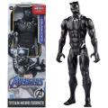 | E7876EL71 | Black Panther Titan Heroes Figure | 16 | 4 | China | 630509910113 | 50630509910118 | 19" x 10" x 13" | 10 | 1.43 | 10 | 7 | 4" x 2" x 12" | 8 | 28,653 | $5.45 | $156,015.59
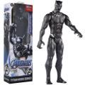 | E7876 | Black Panther Titan Heroes Figure | 4 |  | China | 630509910113 | 50630509910118 | 9" x 5" x 13" | 2 | 0.34 | 44 | 7 | 4" x 2" x 12" | 8 | 20 | $5.45 | $108.90
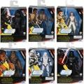 | E3016MA03 | Hasbro Star Wars Galaxy of Adventures 5"-Scale Action Figure Toy Asst. | 8 |  | China | 630509932207; Kilo ren (1) ; Chewbacca (1) ; Finn (1) ; Rey (1) ; Darth Vader (2) ; Jet Trooper (2) | 50630509932202 | 9" x 8" x 7" | 2 | 0.29 | 25 | 13 | 4.25" x 1.75" x 6.5" | 5 | 362 | $6.55 | $2,369.29
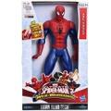 | B05640000 | Hasbro Spiderman Figure With Sound | 4 |  | China | 630509277681 | 50630509277686 | 11" x 8" x 13" | 4 | 0.66 | 24 | 7 | 7" x 2.5" x 12" | 11.65 | 4,928 | $9.35 | $46,076.80
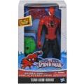 | A83434810 | Hasbro Ultimate Spiderman Titan Heroes Series Action Figure with Goblin Attack Gear | 6 |  | China | 653569955993 | 50653569955998 | 13" x 8" x 13" | 5 | 0.78 | 18 | 7 | 6.5" x 2.5" x 12" | 12.5 | 1,187 | $9.35 | $11,098.45
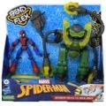 | F31255L00 | Hasbro Marvel Spider-Man Bend & Flex | 3 |  | Vietnam | 5010993874811; (13) number upc | 50501099387485 | 13" x 10" x 13" | 5 | 0.98 | 16 | 7 | 12" x 3.25" x 12" | 21 | 4,100 | $14.25 | $58,404.50
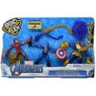 | F26915L00 | Marvel Avengers Bend and Flex 3PK Iron Man, Captain America & Thanos | 4 |  | Vietnam | 5010993841974; 13 dijitos upcs. | 50501099384194 | 17" x 9" x 11" | 5 | 0.97 | 10 | 8 | 17" x 2.25" x 10" | 17.6 | 1,845 | $14.25 | $26,282.03
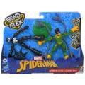 | F02395L00 | Marvel Spider-Man Bend and Flex Black Suit Spider-Man Vs. Doc Ock Action Figure | 6 |  | Vietnam |  | 505 | 13" x 12" x 10" | 4 | 0.91 | 12 | 9 | 12" x 2" x 9" | 9.4 | 5,236 | $8.75 | $45,788.82
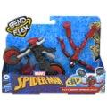 | F02365L00 | Spider-Man Marvel Bend and Flex, Flex Rider Action Figure | 4 |  | Vietnam | 5010993789740 | 50501099378971 | 13" x 11" x 10" | 4 | 0.83 | 16 | 9 | 12" x 2.75" x 9" | 11 | 3,922 | $8.75 | $34,297.89
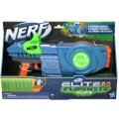 | F25492210 | Hasbro Nerf ELITE 2.0 FLIP 8 | 3 |  | China | 195166116358 | 50195166116353 | 19" x 10" x 12" | 8 | 1.32 | 10 | 8 | 18" x 3" x 11.5" | 37 | 6,415 | $9.35 | $59,980.25
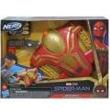 | F0237AS00 | Hasbro Spiderman No Way Home MOVIE HERO NERF BLASTER | 3 |  | Vietnam | 630509998340 | 50630509998345 | 14" x 10" x 11" | 4 | 0.89 | 16 | 8 | 13" x 3" x 10" | 20 | 10,089 | $7.15 | $72,136.35
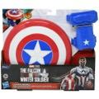 | F58785L00 | Marvel The Falcon and The Winter Soldier Captain America Magnetic Shield & Gauntlet F2622 | 6 |  | China | 501099398149 | 50501099398146 | 13" x 12" x 11" | 5 | 0.99 | 12 | 8 | 12" x 2" x 10.5" | 12 | 8,127 | $7.65 | $62,130.92
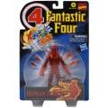 | F03515X00 | Hasbro Marvel LEGENDS RETRO 6IN HUMAN TORCH | 6 |  | China | 5010993842544 | 50501099384255 | 17" x 7" x 9" | 3 | 0.62 | 18 | 10 | 8.5" x 2" x 13" | 7 | (33) | $5.45 | -$179.69
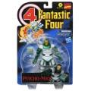 | F03535X00 | Hasbro Marvel LEGENDS RETRO 6IN PSYCHO MAN | 6 |  | China | 5010993842537 | 50501099384255 | 17" x 7" x 9" | 4 | 0.62 | 18 | 10 | 8.5" x 2" x 13" | 10 | 515 | $5.45 | $2,804.18
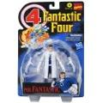 | F03525X00 | Hasbro Marvel LEGENDS RETRO 6IN MR FANTASTIC | 6 |  | China | 5010993842520; | 50501099384255 | 17" x 7" x 9" | 3 | 0.62 | 18 | 10 | 8.5" x 2" x 13" | 7.5 | (1,416) | $5.45 | -$7,710.12
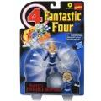 | F03505X00 | Hasbro Marvel LEGENDS RETRO 6IN INVISIBLE WOMAN | 6 |  | China | 5010993842551 | 50501099384255 | 117" x 7" x 9" | 3 | 0.62 | 18 | 10 | 8.5" x 2" x 13" | 6.5 | (336) | $5.45 | -$1,829.52
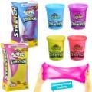 | E9444US61 | Hasbro Play-doh SUPER STRETCH AST | 3 |  | China | 630509933082; (1) Yelllow 630509933099; (2) Purple | 50630509933087 | 10" x 5" x 8" | 2 | 0.23 | 50 | 12 | 3.75" x 2" x 7.25" | 11 | 12,655 | $1.65 | $20,880.75
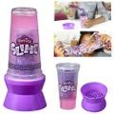 | F2940US61 | Hasbro Play-doh JELLY LAMP | 3 |  | China | 195166146652 | 50195166146657 | 10" x 4" x 8" | 2 | 0.18 | 55 | 12 | 3" x 1.75" x 7" | 8.2 | 973 | $3.14 | $3,050.36
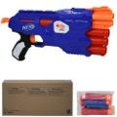 | B4619F060 | Hasbro Nerf NStrike Dual Strike | 12 |  | China | 630509445974 | 50630509445979 | 14" x 12" x 15" | 14 | 1.43 | 9 | 6 | 15" x 1.5" x 6" | 18.5 | 651 | $9.85 | $6,409.10
 | E85375L00 | Hasbro Dreamworks Trolls World Tour Tiny Dancers Find Your Beat Pack | 10 |  | China | 010993671113; | 50010993671113 | 13" x 9" x 6" | 2 | 0.41 |  |  | 12.5" x 1" x 4.75" | 4 | 4,514 | $3.25 | $14,647.93
 | F15320922 | Play-Doh Slime Feathery Fluff Scented Whimsical | 8 |  | China | 195166120546; (4) Blue 195166120522; (4) Yellow | 50195166120541 | 11" x 7" x 7" | 2 | 0.31 | 21 | 13 | 6.75" x 1.25" x 6.5" | 2.6 | 11,406 | $1.38 | $15,683.25
 | E7709C900 | Play-Doh Scents 3-Pack of Non-Toxic Fruit Scented Modeling Compound | 4 |  | China | 630509942923 | 50630509942928 | 11" x 8" x 4" | 4 | 0.21 | 20 | 24 | 7.75" x 2.5" x 3.25" | 15 | 1,979 |  | $0.00
 | E9193 | Play-Doh Lollipop 4-Pack | 6 |  | China | 5010993711338 | 50501099371132 | 11" x 9" x 9" | 8 | 0.52 | 18 | 10 | 8.75" x 1.75" x 8.5" | 19 | 72 | $6.55 | $471.24
 | F26215S02 | Baby Alive Lulu Achoo Doll, 12-Inch with Brown Hair Interactive Doctor Play Toy | 4 |  | China | 010993871148 | 50010993871148 | 21" x 15" x 15" | 14 | 2.74 | 6 | 6 | 13.7" x 4.75" x 14" | 43 | 2,737 | $18.65 | $51,031.37
 | F26225S02 | Baby Alive Lulu Achoo Doll, 12-Inch with Black Hair Interactive Doctor Play Toy (AA) | 4 |  | China | 010993871179; | 50010993871179 | 21" x 15" x 15" | 14 | 2.74 | 6 | 6 | 14" x 4.7" x 14" | 27 | 178 | $18.65 | $3,318.81
 | F24445L00 | Baby Alive AA Lulu Achoo Doll, 12-Inch Interactive Doctor Play Toy Asst. | 2 |  | China | 010993871124; (1) Blonde hair 010993871148; (1) Brown hair | 50010993871124 | 15" x 10" x 14" | 6 | 1.22 | 15 | 6 | 13.7" x 4.75" x 14" | 43 | 255 | $18.65 | $4,754.47
 | 554783 | L.O.L Glam Glitter Asst. | 36 | 18 | China | 0035051554783 | 50003505155478 | 17" x 13" x 13" | 12 | 1.66 | 9 | 7 | 3.5" x 3.5" x 3.5" | 3.7 | 10,548 | $5.45 | $57,433.86
 | 556244XX1E7C | LOL Surprise Lils | 48 | 24 | China | 035051557098 | 50035051557093 | 11" x 9" x 13" | 11 | 0.74 | 17 |  | 2.5" x 2.5" x 2.75" | 3 | 3,143 | $4.35 | $13,656.34
 | 551300 | L.O.L Surprise Toys | 36 | 18 | China | 0035051551300 | 50003505155133 | 17" x 13" x 13" | 11 | 1.66 | 9 | 5 | 3.5" x 3.5" x 3.5" | 3.6 | 16,757 | $5.45 | $91,241.87
 | 552109E7C | LOL Surprise Pets | 36 | 18 | China | 035051552109 | 50035051552104 | 15" x 11" x 13" | 13 | 1.24 | 11 | 7 | 3.5" x 3.5" x 3.5" | 4.5 | 806 | $4.94 | $3,980.83
 | B4619F060 | Hasbro Nerf NStrike Dual Strike | 12 |  | China | 630509445974 | 50630509445979 | 14" x 12" x 15" | 14 | 1.43 | 9 | 6 | 15" x 1.5" x 6" | 18.5 | 651 | $9.85 | $6,409.10
 | DYD189663 | Sunny Day Basic 6" Doll Assorted | 4 |  | Indonesia | 887961437683; Gown Rox (1pc) 887961437690; Gown Blair (1pc) 887961437676; Gown Sunny (2pc) | 50887961437688 | 9.8" x 7.3" x 9.5" | 1.5 | 0.39 | 22 | 10 | 6.25" x 9" x 2.5" | 4.3 | 104 | $4.68 | $486.20
 | GBR24965B | Hot Wheels Monster Trucks Mini Series 2 Asst w/display - 2 display of 20 units | 40 | 20 | Taiwan | 887961720983 | 50887961720988 | 8" x 7" x 11" | 5 | 0.36 | 35 | 8 | 2.75" x 1.5" x 1.5" | 0.9 | 68 | $3.25 | $220.66
 | F05355E00 | Hasbro DreamWorks Trolls World Tour Rappin' Tiny Diamond Doll with Scepter | 4 |  | China | 010993751518; | 50010993751518 | 11" x 7" x 11" | 3 | 0.49 | 28 |  | 6.5" x 2.5" x 10.5" | 9.6 | 31 | $5.23 | $161.98
 | E58040000 | Hasbro The Slow Motion Game | 4 |  | China | 630509806270 | 50630509806275 | 11" x 11" x 11" | 5 | 0.77 | 16 | 8 | 10.5" x 2.5" x 10.5" | 17 | 33 | $6.05 | $199.65
 | 80931 | Fuzzy Wubble Pig | 6 |  | China | 042409809310 | 50042409809315 | 13" x 12" x 12" | 4 | 1.08 | 12 | 8 | 6" x 2" x 10.2" | 9.6 | 1,396 | $6.55 | $9,136.82
 | 80481 | Fuzzy Wubble Octopus | 6 |  | China | 042409804810 | 50042409804815 | 13" x 13" x 11" | 4 | 1.07 | 12 | 8 | 6" x 2" x 10.2" | 9.6 | 372 | $6.55 | $2,434.74
 | 80930 | Fuzzy Wubble Asst. 1 | 6 |  | China | 042409809310; Pig daisy (1) 042409809341; Husky (1) 042409809334; Bee cat (2) 042409809327; Unicorn pixie (2) | 50042409809315 | 13" x 12" x 11" | 4 | 0.99 | 10 | 8 | 6" x 2" x 10.2" | 9.6 | 54 | $7.15 | $386.10
 | 80381 | Fuzzy Wubble Rainbow Unicorn | 6 |  | China | 042409803813 | 50042409803818 | 13" x 13" x 11" | 4 | 1.07 | 12 | 8 | 6" x 2" x 10.2" | 9.6 | 72 | $7.15 | $514.80
 | E93480000 | Hasbro Monopoly Go Green Board Game | 6 |  | China | 630509923663 | 50630509923668 | 14" x 11" x 12" | 11 | 1.07 | 12 | 8 | 13" x 1.75" x 10.5" | 27 | 26 | $10.45 | $271.70
 | E7378AS01 | Hasbro NERF Power Moves Marvel Avengers Captain Marvel Photon Blast | 3 |  | India | 630509877744 | 50630509877749 | 15" x 10" x 10" | 5 | 0.87 | 12 | 9 | 14" x 3.25" x 9" | 20 | 28 | $10.45 | $292.60
 | E77735L00 | Hasbro Play-Doh Animal Crew Sherrie Shearin' Sheep Toy with 4 Non-Toxic Colors | 4 |  | Vietnam | 5010993699858 | 50501099369986 | 13" x 11" x 9" | 7 | 0.74 | 12 | 10 | 12" x 2.5" x 8.5" | 28 | 1,895 | $8.75 | $16,571.78
 | E94470000 | Hasbro The Game of Life, Marvelous Mrs. Maisel Version | 6 |  | USA | 630509932405 | 50630509932400 | 16" x 11" x 11" | 14 | 1.12 | 12 | 8 | 16" x 1.75" x 10.5" | 38 | 42 | $13.18 | $553.48
 | F17165X00 | Hasbro Play-Doh WHIMSICAL UNICORN | 8 |  | China | 5010993827541; (13) number upc | 50501099382756 | 11" x 7" x 7" | 2 | 0.31 | 24 | 13 | 6.75" x 1.25" x 6.5" | 2.3 | 4,035 | $1.38 | $5,548.13
 | F17185X00 | Hasbro Play-Dough WHIMSICAL LLAMA | 8 |  | China | 5010993827558; (13) number upc | 50501099382756 | 11" x 8" x 7" | 2 | 0.36 | 24 | 13 | 6.75" x 1.25" x 6.5" | 2.3 | 4,187 | $1.38 | $5,757.13
 |  |  |  |  |  |  |  |  |  |  |  |  |  |  | 567,683 |  | $3,506,734.32

